USNotSelfEmployedFamilyTreatmen
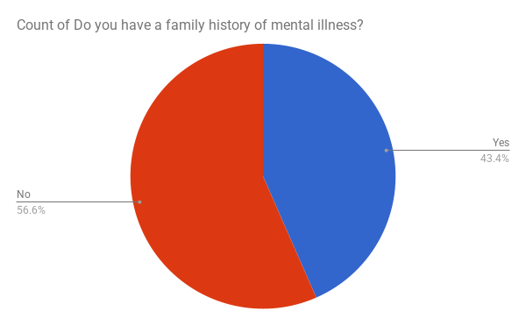
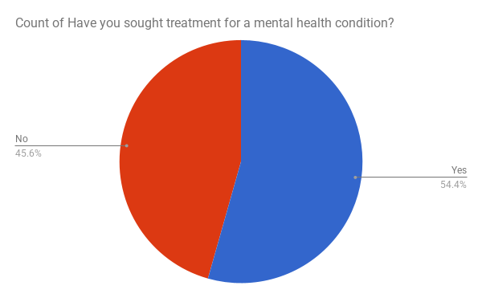

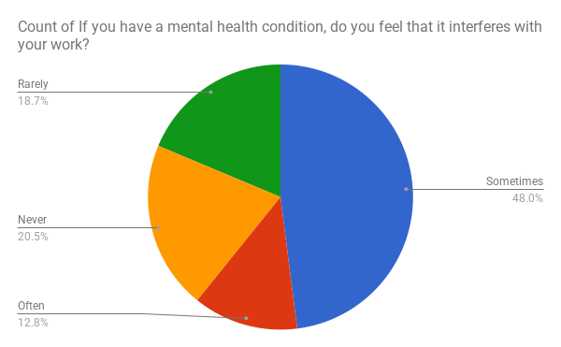

USNotSelfEmployed-TakesSeriousl
Do you feel that your employer takes mental health as seriously as physical health?

USNotSelfEmployed-MHNegativeCon
Do you think that discussing a mental health issue with your employer would have negative consequences?

USNotSelfEmployed-PHNegativeCon
Do you think that discussing a mental health issue with your employer would have negative consequences?

USNotSelfEmployed-MHInterview
Would you bring up a mental health issue with a potential employer in an interview?

USNotSelfEmployed-PHInterview
Would you bring up a physical health issue with a potential employer in an interview?

USNotSelfEmployed-MHBenefits
Does your employer provide mental health benefits?

USNotSelfEmployed-MHKnowOptions
Do you know the options for mental health care your employer provides?

USNotSelfEmployed-WellnewssProg
Has your employer ever discussed mental health as part of an employee wellness program?

USNotSelfEmployed-ProvideResour
Does your employer provide resources to learn more about mental health issues and how to seek help?

USNotSelfEmployed-Anonymity
Is your anonymity protected if you choose to take advantage of mental health or substance abuse treatment resources?

USNotSelfEmployed-Leave
How easy is it for you to take medical leave for a mental health condition?

